Legendas
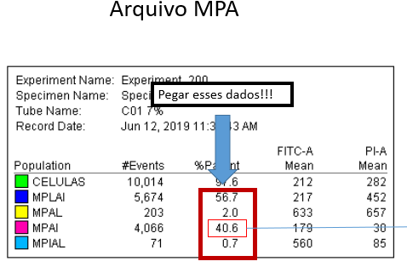
ARQUIVO MPA

MPLAI = Membrana plasmática lesada e acrossomal integra
MPAL = membrana plasmática e acrossomal lesada
MPAI = membrana plasmática e acrossomal integra
MPIAL = membrana plasmática integra e acrossomal lesada

ARQUIVO HPM O2

SO: Avaliação qualitativa da concentração de anion superóxido em cada subpopulação:
CELLS (2368) – conc de SO em toda a população
Stable (235) – conc de SO nas células com MP estáveis
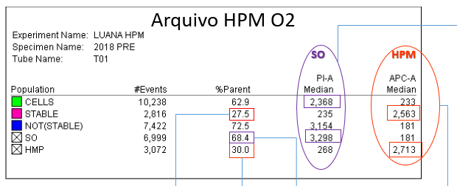
NotStable (3154)– conc de SO nas células com MP desestabilizadas
SO (3298) – conc de SO nas células com alta geração de SO
HPM (268) conc de SO nas células com alto potencial mitocondrial

HPM: Avaliação qualitativa do potencial mitocondrial, mostra o qto cada subpopulação tem de potencial mitocondrial, qto maior o valor melhor é a qualidade do PM.
STABLE (2563) qualidade do potencial mitocondrial das células estáveis
HPM (2713) qualidade do PM das células com alto potencial mitocondrial

%Parent
STABLE - % de células com membrana plasmática estável, aqui eu uso o YOPRO, ele marca uma lesão de membrana mais precoce que o iodeto de propidio (usado para MPAI)
SO - % de células com alta geração de anion superóxido mitocondrial
HMP % de células com alto potencial mitocondrial

ARQUIVO PEROXIDAÇÃO
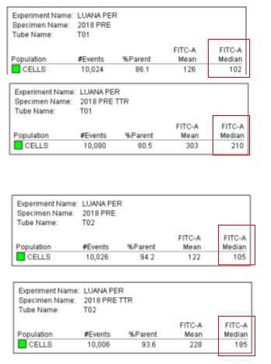
Avaliação qualitativa, ou seja, é uma unidade arbitrária (U.A.) medida pela intensidade de fuorescencia, ou seja qto maior o valor, mais peroxidação esta ocorrendo na amostra
FITC-A Median T0
FITC-A Median T1

Vc ainda pode usar os dados de 2 formas:
Comparando o valor absoluto
0h (t01 e t02)
102 x 105
1h30 (t01 e t02)
210 x 185
Ou a diferença entre 0 e 1h30
T01 aumentou a peroxidação em 2,06x
T02 aumentou a peroxidação em 1,77x

